3. Group size planner
CBL Group size planner

Instruction
Review the template and remove the examples.
Type the right numbers for your course in the white cells
...and the grey cells will calculate the rest for you
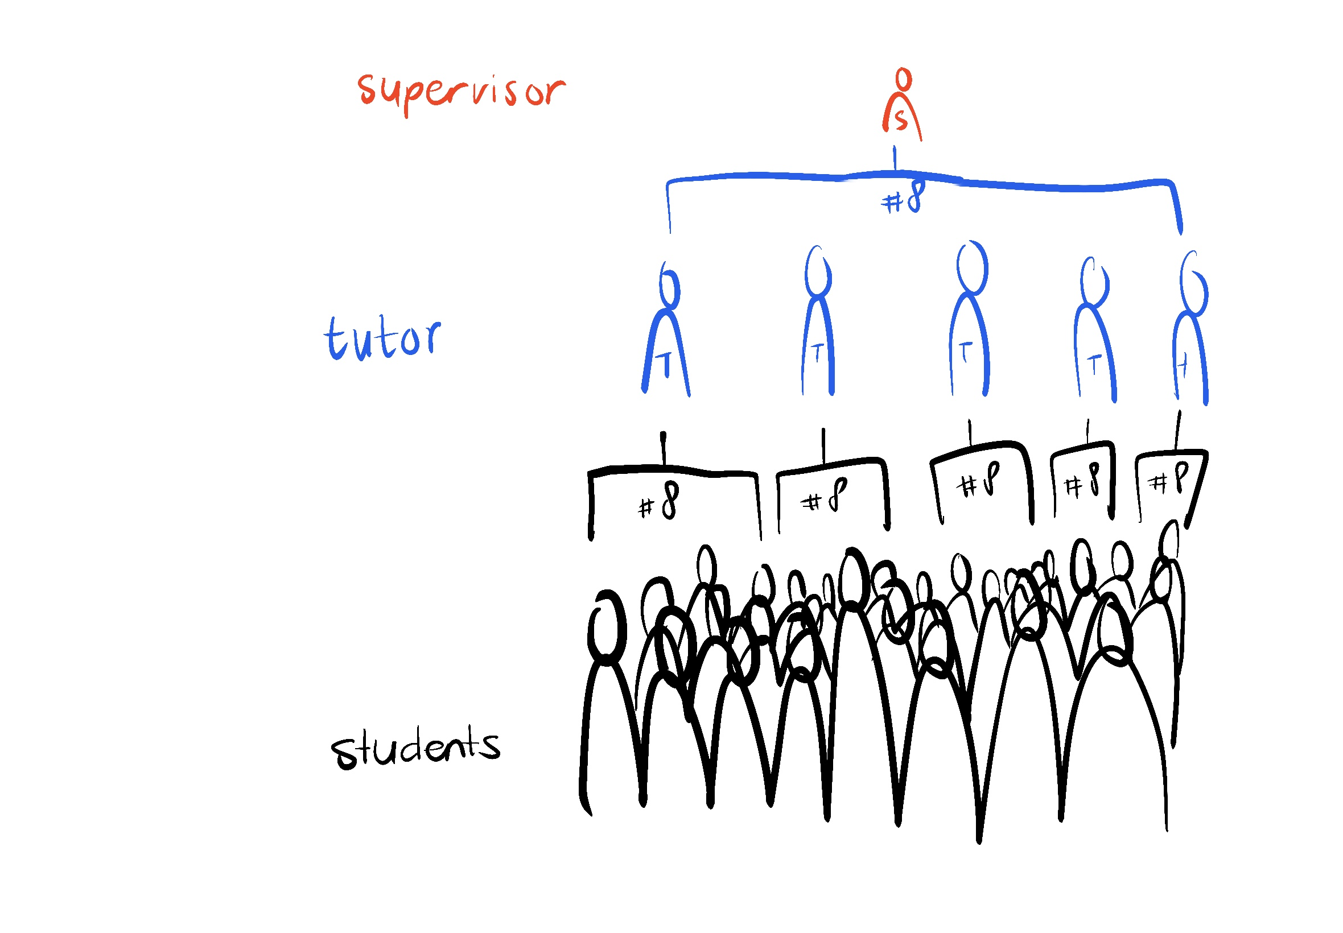
Group composition & size
Amount of students: | 100 | Students
Student group size: | 5 | Students per group
Amount of groups needed | 20 | Groups

Amount of student groups per tutor*: | 4 | Groups per tutor
Amount of tutors needed | 5 | Tutors

Amount of tutors per supervisor: | 5 | Tutors
Amount of supervisors/tutorgroups needed | 1 | Supervisor(s)/tutorgroup(s)
*this can depend on the amount of hours each tutor has

Frequency of contact |  |  | Key requirements for the spaces
Amount of student groups | 20 | Groups
Amount of tutors | 5 | Tutors
Amount of weeks | 8 | Weeks
Frequency of group meetings with tutor: | 1 | Times per week
Total of groupmeetings | 160 | Groupmeetings to schedule

Amount of tutors | 5
Amount of weeks | 8 | Weeks
Frequency of tutor meetings with supervisor: | 1 | Times per week
Total of tutormeetings | 40 | Tutormeetings to schedule

Extra meeting for all students at once (kick-off, test, …) | 1 | Meeting(s)
Extra student group meeting (final presentation, …) | 1 | Meeting(s)
Extra individual student meeting (personal coaching, ...) | 0 | Meeting(s)
Extra tutor meeting (evaluation, …) | 1 | Meeting(s)
Total of extra meetings | 22 | Extra meetings to schedule

4. Schedule for students
CBL Schedule format per student group

Instruction
Review the template and remove the examples. Then create an overview for each group of students of your course detailing the activities taking place each week.
1. Fill in the week numbers, months, and the number of student groups yourself.
2. Refer to the legend at the bottom of the page and enter your own educational activities.
3. Schedule the activities for each week, for each student group.
Note: You can optionally use this format as a means of communication on Canvas for students.

Semester X |  | Week X |  |  |  |  | Week X |  |  |  |  | Week X |  |  |  |  | Week X |  |  |  |  | Week X |  |  |  |  | Week X |  |  |  |  | Week X |  |  |  |  | Week X
 |  | Month X |  |  |  |  | Month X |  |  |  |  | Month X |  |  |  |  | Month X |  |  |  |  | Month X |  |  |  |  | Month X |  |  |  |  | Month X |  |  |  |  | Month X
 |  |  |  | 1 |  |  |  |  | 2 |  |  |  |  | 3 |  |  |  |  | 4 |  |  |  |  | 5 |  |  |  |  | 6 |  |  |  |  | 7 |  |  |  |  | 8
Group | Week start date | Mon | Tue | Wed | Thu | Fri | Mon | Tue | Wed | Thu | Fri | Mon | Tue | Wed | Thu | Fri | Mon | Tue | Wed | Thu | Fri | Mon | Tue | Wed | Thu | Fri | Mon | Tue | Wed | Thu | Fri | Mon | Tue | Wed | Thu | Fri | Mon | Tue | Wed | Thu | Fri
See example for group 1: one project supporting lecture on tuesday and group meetings on monday and wednesday. Tutor meetings on monday, intermediate assessment in week 3 and week 4.
1 | 2024-09-01 |  | PSL | g |  |  | g |  | g / wq |  |  | g |  | g / wq |  |  | g |  | g / wq
2
3
4
5
6
7
8
9
10
11
12
13
14
15
16
17
18
19
20
21
…
TUTOR MEETINGS |  |  |  |  |  |  | X |  |  |  |  | X |  |  |  |  | X
MILESTONES
ASSESSMENT |  |  |  |  |  |  |  |  |  |  |  |  |  |  | R-1 |  |  |  | IA-1
Note: these are examples. You can fill in your own assessment activities.
Note: these are examples. You can fill in your own activities.
g |  | : | Groupmeeting |  |  |  |  |  |  |  |  |  |  |  |  |  | R-1 |  | : | Deadline mid-term report
PSL |  | : | Project supporting lecture |  |  |  |  |  |  |  |  |  |  |  |  |  | R-2 |  | : | Deadline Go/no go document
wq |  | : | Weekly question hour with the project coordinators |  |  |  |  |  |  |  |  |  |  |  |  |  | R-3 |  | : | Deadline final report
Q |  | : | Extra question time with the representatives from the industry |  |  |  |  |  |  |  |  |  |  |  |  |  | IA-1 |  | : | Midterm individual assessment
X |  | : | Tutormeeting |  |  |  |  |  |  |  |  |  |  |  |  |  | IA-2 |  | : | Final individual assessment

